ReadMe
Datecision scores
Datecision | scores |  |  | Name | Badge no | Date_1 | Date_2 | Date_3 | Date_4
Like | 2 |  |  | Wisdom1 | F1
Friendship | 1 |  |  | Wisdom2 | F2
No like | -1 |  |  | Wisdom3 | F3
 |  |  |  | Kessie1 | M1
Table 1: Date matching scorecard |  |  |  | Kessie2 | M2
Female Male | Like | Friendship | No like | Kessie3 | M3
Like | 4 | 3 | 1 | Kessie4 | M4
Friendship | 3 | 2 | 0
No like | 1 | 0 | -2

Total score | Date decision
4 | Like
3 | Friendship
2 | Friendship
1 | No like
0 | No like
-2 | No like

Table 2: Example date matches outcome matrix. The numbers in each cell shows the of participants who matched. See key below.
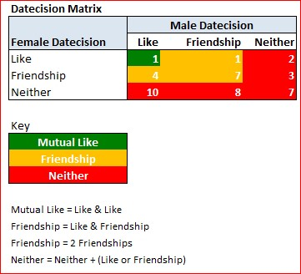

*Neither is "No like"

Datecision Preference Sheet & Questions

